Earth & Surf
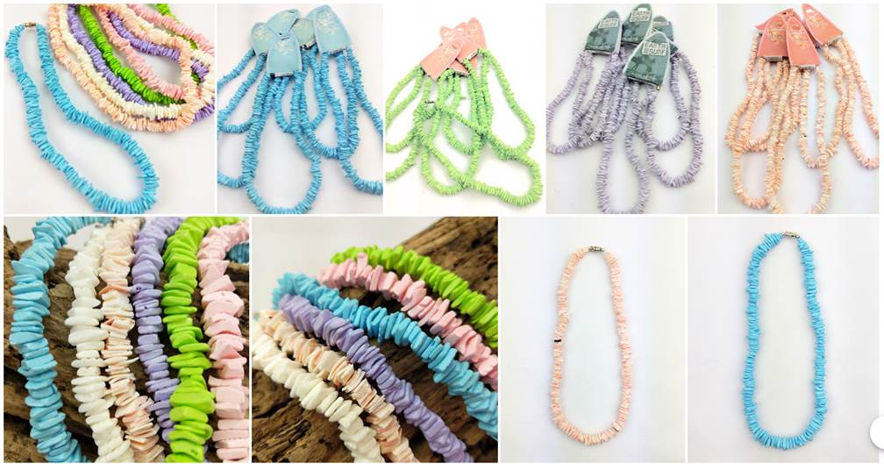
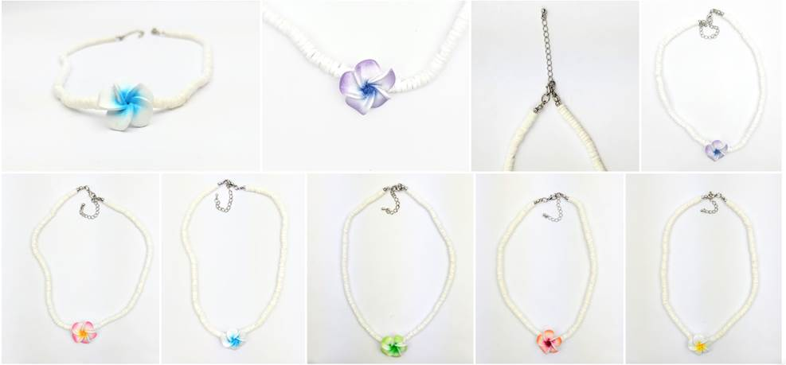
Beach & Surf Jewellery - Puka Shell & Frangipani Flower

To view on website: | www.beachbumsjewellery.com

Copy and paste this link for photos | https://photos.app.goo.gl/vbax6h3B2qQTdPn58

All pristine - new unused stock

Description | Colour | On Backing Cards | No. Cartons | Carton Qty | RRP | Total Qty | Retail Value

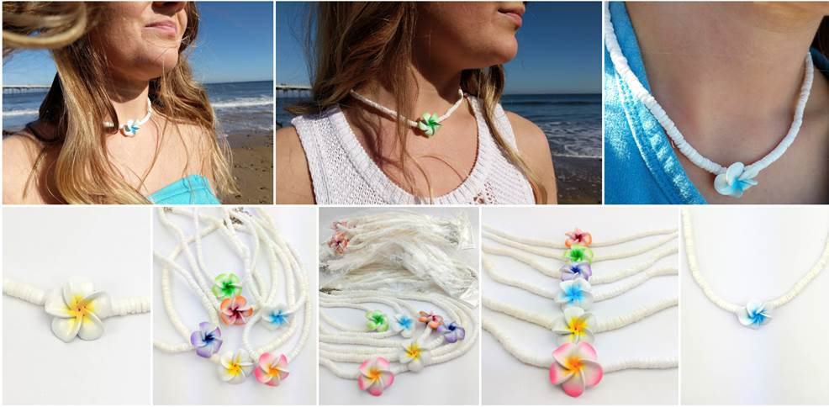
E&S Puka Shell Necklace | Pink | yes | 5 | 240 | £8.00 | 1200 | £9,600.00
E&S Puka Shell Necklace | Lilac | yes | 14 | 200 | £8.00 | 2800 | £22,400.00
E&S Puka Shell Necklace | Turquoise | yes | 2 | 200 | £8.00 | 400 | £3,200.00
E&S Puka Shell Bracelet | Lime | yes | 1 | 270 | £6.00 | 270 | £1,620.00
Frangipani Flower Necklace | Yellow | yes | 1 | 300 | £8.00 | 300 | £2,400.00
Frangipani Flower Necklace | Lime | yes | 3 | 300 | £8.00 | 900 | £7,200.00
Frangipani Flower Necklace | Blue | yes | 2 | 300 | £8.00 | 600 | £4,800.00
Frangipani Flower Necklace | Lilac | yes | 2 | 300 | £8.00 | 600 | £4,800.00
Shell & Coco Puka Necklace | Coral | yes | 4 | 300 | £8.00 | 1200 | £9,600.00
Shell & Coco Puka Necklace | Turquoise | yes | 1 | 300 | £8.00 | 300 | £2,400.00
Shell & Coco Puka Bracelet | Turquoise | yes | 1 | 200 | £6.00 | 200 | £1,200.00
Shell & Coco Puka Bracelet | LIme | yes | 1 | 200 | £6.00 | 200 | £1,200.00

Frangipani Flower Necklace | Pink/Yellow | no | 1 | 500 | £8.00 | 500 | £4,000.00
Frangipani Flower Necklace | Yellow | no | 2 | 500 | £8.00 | 1000 | £8,000.00
Frangipani Flower Necklace | Green | no | 2 | 500 | £8.00 | 1000 | £8,000.00
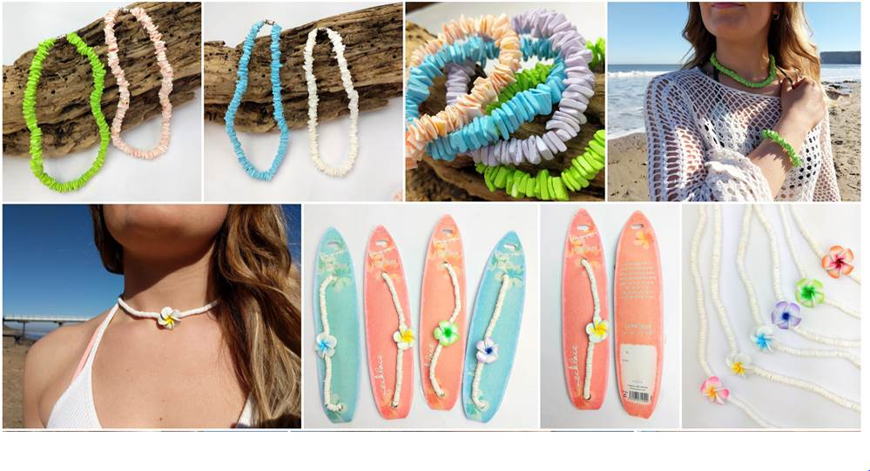
Frangipani Flower Necklace | Blue | no | 2 | 500 | £8.00 | 1000 | £8,000.00
Frangipani Flower Necklace | Purple | no | 1 | 500 | £8.00 | 500 | £4,000.00
Frangipani Flower Necklace | Orange | no | 1 | 500 | £8.00 | 500 | £4,000.00
Puka Shell Necklace | Coral | no | 2 | 300 | £8.00 | 600 | £4,800.00
Puka Shell Necklace | Lilac | no | 1 | 300 | £8.00 | 300 | £2,400.00
Puka Shell Necklace | Turquoise | no | 6 | 300 | £8.00 | 1800 | £14,400.00
Puka Shell Necklace | Lime | no | 7 | 300 | £8.00 | 2100 | £16,800.00
Puka Shell Bracelet | Pink | no | 1 | 500 | £6.00 | 500 | £3,000.00
Puka Shell Bracelet | Coral | no | 1 | 300 | £6.00 | 300 | £1,800.00
Coconut Shell Bracelet | Dark Wood | no | 3 | 270 | £6.00 | 810 | £4,860.00
Coconut Shell Bracelet | Light Wood | no | 2 | 300 | £6.00 | 600 | £3,600.00
 |  |  |  |  |  | 0 | £-
 |  |  | 69 |  |  | 19,880 | £140,020.00

Most are in packs of 6 singles
There will be at least one other carton of extra brand new surf stock in addition to this list
Most cartons weigh about 15kg each
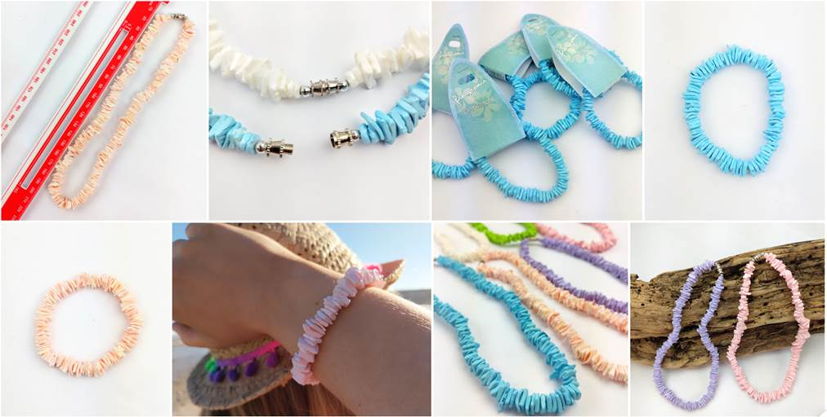
Most carton dims 30cm x 30cm x 30cm

